1
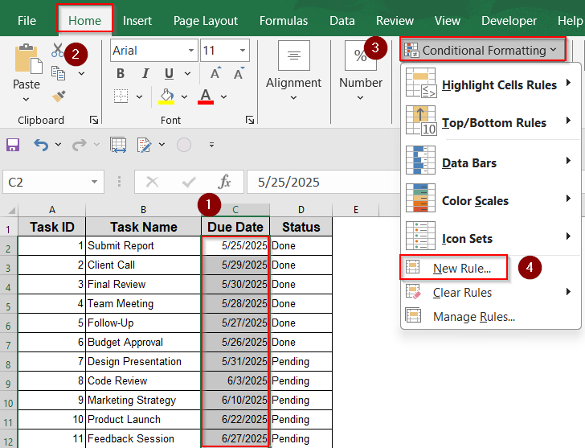
Task ID | Task Name | Due Date | Status
1 | Submit Report | 2026-06-25 | Done
2 | Client Call | 2026-06-29 | Done
3 | Final Review | 2026-06-30 | Done
4 | Team Meeting | 2026-06-28 | Done
5 | Follow-Up | 2026-06-27 | Pending
6 | Budget Approval | 2026-06-26 | Done
7 | Design Presentation | 2026-06-30 | Pending
8 | Code Review | 2026-07-03 | Pending
9 | Marketing Strategy | 2026-07-10 | Pending
10 | Product Launch | 2026-07-22 | Pending
11 | Feedback Session | 2026-07-27 | Pending

Use TODAY Function to Highlight Overdue Dates
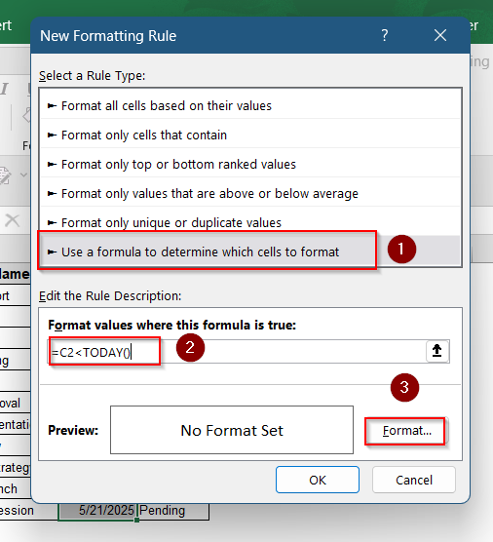

If you only need to highlight cells that contain past dates, this method is ideal. It uses the TODAY function to compare each due date against the current date. The rule automatically updates each day without needing any manual adjustment.

2
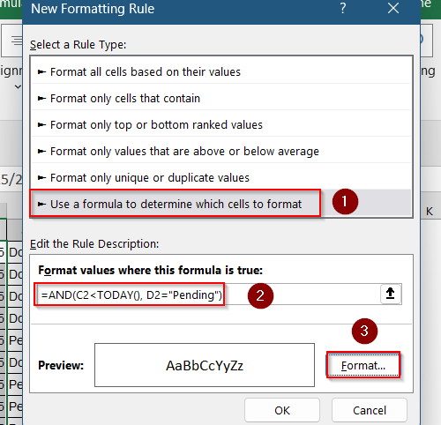
Task ID | Task Name | Due Date | Status
1 | Submit Report | 2026-06-25 | Done
2 | Client Call | 2026-06-29 | Done
3 | Final Review | 2026-06-30 | Done
4 | Team Meeting | 2026-06-28 | Done
5 | Follow-Up | 2026-06-27 | Pending
6 | Budget Approval | 2026-06-26 | Done
7 | Design Presentation | 2026-06-30 | Pending
8 | Code Review | 2026-07-03 | Pending
9 | Marketing Strategy | 2026-07-10 | Pending
10 | Product Launch | 2026-07-22 | Pending
11 | Feedback Session | 2026-07-27 | Pending

Focus on Overdue Tasks with Specific Status

When managing task progress, you may want to highlight only the tasks that are overdue and still pending. This formula allows you to add an extra condition by checking if the task’s status is “Pending” alongside the due date.

3
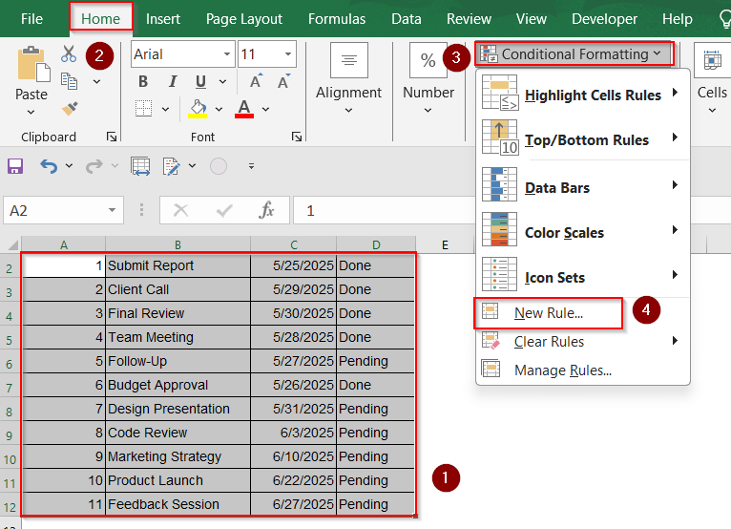
Task ID | Task Name | Due Date | Status
1 | Submit Report | 2026-06-25 | Done
2 | Client Call | 2026-06-29 | Done
3 | Final Review | 2026-06-30 | Done
4 | Team Meeting | 2026-06-28 | Done
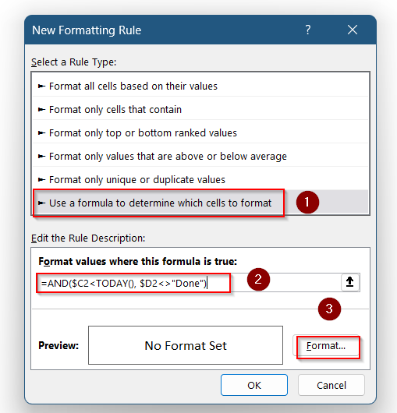
5 | Follow-Up | 2026-06-27 | Pending
6 | Budget Approval | 2026-06-26 | Done
7 | Design Presentation | 2026-06-30 | Pending
8 | Code Review | 2026-07-03 | Pending
9 | Marketing Strategy | 2026-07-10 | Pending
10 | Product Launch | 2026-07-22 | Pending
11 | Feedback Session | 2026-07-27 | Pending

Highlight Entire Row for Overdue Tasks

This method highlights the full row when a task is overdue and not marked as “Done.” It helps you scan your spreadsheet more easily by highlighting the complete task info across all columns, not just the due date.

4
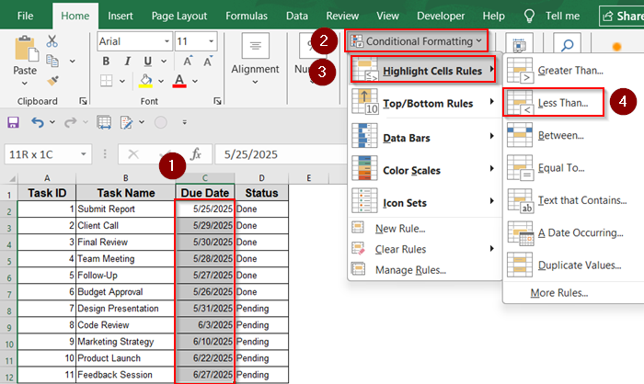
Task ID | Task Name | Due Date | Status
1 | Submit Report | 2026-06-25 | Done
2 | Client Call | 2026-06-29 | Done
3 | Final Review | 2026-06-30 | Done
4 | Team Meeting | 2026-06-28 | Done
5 | Follow-Up | 2026-06-27 | Pending
6 | Budget Approval | 2026-06-26 | Done
7 | Design Presentation | 2026-06-30 | Pending
8 | Code Review | 2026-07-03 | Pending
9 | Marketing Strategy | 2026-07-10 | Pending
10 | Product Launch | 2026-07-22 | Pending
11 | Feedback Session | 2026-07-27 | Pending

Apply Conditional Formatting with "Less Than" Rule

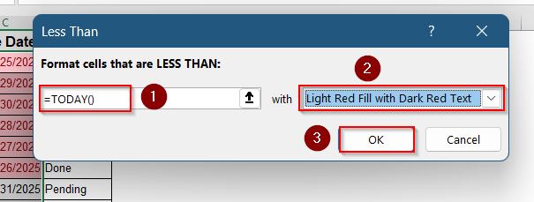

This is a quick and simple method if you only want to highlight past dates without worrying about formulas. It uses Excel’s built-in conditional formatting options and automatically compares each cell to today’s date using the “Less Than” rule.

5
Task ID | Task Name | Due Date | Status
1 | Submit Report | 2026-06-25 | Done
2 | Client Call | 2026-06-29 | Done
3 | Final Review | 2026-06-30 | Done
4 | Team Meeting | 2026-06-28 | Done
5 | Follow-Up | 2026-06-27 | Pending
6 | Budget Approval | 2026-06-26 | Done
7 | Design Presentation | 2026-06-30 | Pending
8 | Code Review | 2026-07-03 | Pending
9 | Marketing Strategy | 2026-07-10 | Pending
10 | Product Launch | 2026-07-22 | Pending
11 | Feedback Session | 2026-07-27 | Pending

Track Deadlines Due Within Next 7 Days

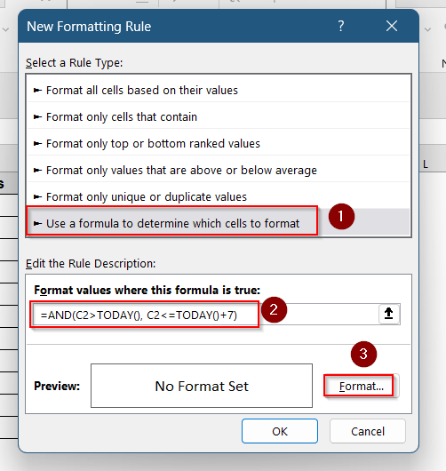

To proactively track upcoming deadlines, use this method to highlight tasks that are due within the next 7 days. It ensures you’re aware of near-future dates, including today, so you can prepare for upcoming work.

